Sheet1
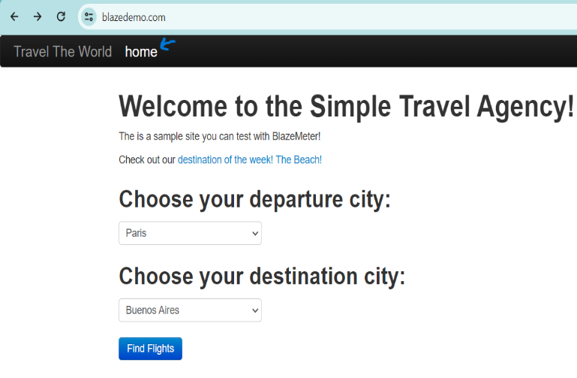
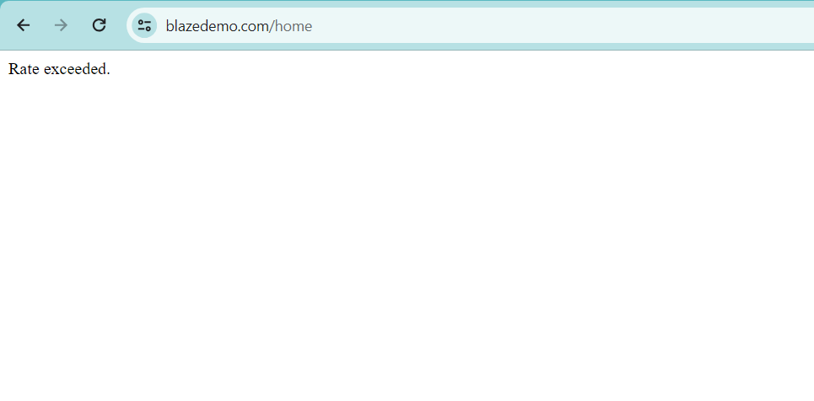
BUG REPORT

Category | Label | Value
Bug ID | ID Number | #1
 | Name | Menu Tab Bug
 | Reporter | Meera Alkhatib
 | Submit Date | 2024-05-23
Bug Overview | Summary | The issue is when clicking on a menu tab for the first time the website crashes
 | URL | https://blazedemo.com
 | Screenshot
Environment | Platform | Web
 | Operating System | Windows 11 Version 21H2 (OS Build 22000.2176)
 | Browser | Google Chrome Version 124.0.6367.63 (Official Build) (64-bit)
Bug Details | Steps to reproduce | 1.Open the https://blazedemo.com website , 2.Click on the "home" menu tab or any other menu tab, 3. Observe a blank page with the sentence "Rate exceeded"
 | Expected Result | The home page , or the page for the clicked menu tab will appear
 | Actual Result | A blank page with the sentence "Rate exceeded." appears
 | Description | As a student , I noticed there's this bug where, when you click on a menu tab for the first time, instead of opening the home page, a blank page with the sentence "Rate exceeded" appears. It's quite unexpected and not the behavior we would want. This bug needs to be fixed so that clicking on the menu tab properly takes you to the home page.
Bug Tracking | Severity | High
 | Assigned to | Development Team
 | Priority | Critical
Notes | Notes | After clicking more than once on a menu tab too the same issue occurs, try fixing this issue as soon as possible!

